1. Title Page
Grocery Basket Analysis

Project Name: Instacart Grocery Basket Analysis
Date: 4/7/2023
Analyst Name: Jada Myrie

Contents:
Population Flow
Consistency checks
Wrangling steps
Column derivations
Visualizations
Recommendations

Data Citation
 | "The Instacart Online Grocery Shopping Dataset 2017", Accessed from “The Instacart Online Grocery Shopping Dataset 2017”, Accessed from https://www.instacart.com/datasets/grocery-shopping-2017 on February 27, 2023.
 | Customer and Products dataset were fabricated for the purpose of this project.

2. Population Flow
Title page

Population flow

Exclusion flag
Condition: max_order <
Observations to be removed:
Final total count of order_products_all:

Orders_products_combined
Orders_products_merged
Orders_products_all

Total:32434212
Total:32434489
Total:

1.) The grey boxes in the first row of the population flow represent the original data sets as they were when you downloaded them. In the Total fields you need to add the count of the rows when you imported the data set into Jupyter.
2.) The second row of boxes (coloured) represents the data sets after you manipulated them, e.g., removed missing values and duplicates. In the Total fields you need to add the count of the rows after conducting these operations. This offers a visual oveview of how the data flows throughout the data consistency checks.
3.) The third row, where also the arrows are coloured, represents the merges you performed between the datasets. In the Total fields you need to add the count of the rows in the merged datasets, so that you end up with the final dataset (in the red box). Keep in mind the final dataset should be without exclusions (based on the exclusion flag).

3. Consistency checks
 |  |  |  | Title page
Consistency checks

Dataset | Missing values | Missing values treatment | Duplicates
orders | days_since_prior_order=206209 | placing a place holder 'naan' and removing them from the dataset. | 0
products | product_name =16 | Removed from dataset | 5 They were cleaned.
orders_products_prior | 0 | N/A | 0
customers | 0 | N/A | 0

4. Wrangling steps
 |  |  |  | Title page
Wrangling steps

Columns dropped | Columns renamed | Columns' type changed | Comment/Reason
eval_set |  |  | uneccessary for analysis
 | order_dow to orders_day_of_week |  | to provide easier readibility
 | order_hour_of_day to hour_of_day_order_placed |  | to provide easier readibility
 |  | order_id changed to string from integer | to provide more descriptive statistics for analysis
 |  | df_test changed to string from integer | to provide more descriptive statistics for analysis
_merge |  |  | uneccessary for analysis
 |  | user_id changed to string from integer | to provide more descriptive statistics for analysis
Unnamed:0 |  |  | uneccessary for analysis
 | First Name to first_name |  | changed for table consistency
 | surnam to sir_name |  | changed for table consistency
 | Gender to gender |  | changed for table consistency
 | STATE to state |  | changed for table consistency
 | Age to age |  | changed for table consistency
 | n_dependants to number_of_dependants |  | changed for table consistency
 | fam_status to marital_status |  | changed for table consistency

5. Column derivations
 |  |  |  | Title page

Column derivations and aggregations

In this tab you should add tables below that the frequences of flags/label variables that you produced after deriving them. NB: don't do this for continuous variables, only for flags.
Dataset | New column | Column/s it was derived from | Conditions
orders_products_combined | price_range_loc | prices | If price is more than 15 it is a high range product
 |  |  | If price is more than 5 or less than or equal to 15 it is a mid range product
 |  |  | If price is less than or equal to 15 it is a high range product
orders_products_combined | busiest_day | orders_day_of_week | If value equals to 0 or 1 busiest day
 |  |  | if value equals to 3 or 4 least busy
 |  |  | Otherwise regularly busy (2, 5, 6)
orders_products_combined | busiest_period_of_day | hour_of_day_orders_placed | If hour of day the order was placed is less than 50 % it is fewest orders
 |  |  | If hour of day the order was placed is more than 50% less than 75% it is average orders
 |  |  | if hour of day the order was placed more than 75 % it is most orders
orders_products_merged | loyalty_flag | max_order | If max order is more than 40 then loyal customer
 |  |  | If max order is more than 10 and less than or equal to 40 then regular customer
 |  |  | If max order is less than or equal to 10 then new customer
orders_products_merged | spending_flag | average_price | If average price is less than 10 low spender
 |  |  | If average price is more than or equal to 10 high spender
orders_products_merged | order_freq_flag | avg_freq_flag | If fequency is more than 20 non-frequent customer
 |  |  | If frequency is more than 10 and less than or equal to 20 regular customer
 |  |  | If frequency is less than or equal to 10 frequent customer

6. Visualizations
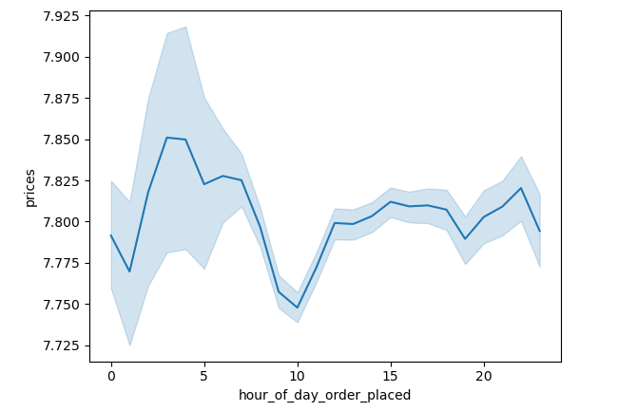
Title page

Visualisations

In this tab you should include all the visualtions from Exercises 4.9 and 4.10, alongside the questions from the project brief that they answer. Include any commentary on the relationship between different variables.

The sales team needs to know what the busiest days of the week and hours of the day are (i.e the days and times with the most orders) in order to schedule ads at times when they are fewer orders.

Orders by Days of Week Bar Chart

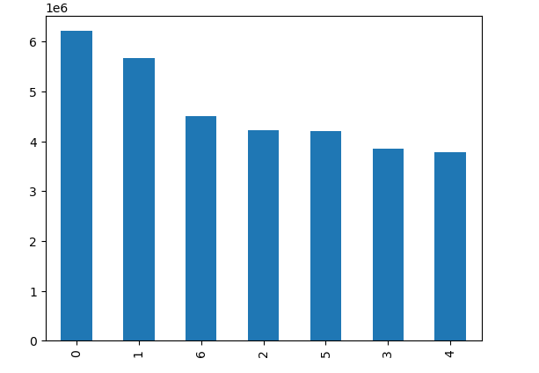
O
r
d
e
r
F
r
e
q
u
e
n
c
y
Orders by day of Week Bar Chart Analysis
The busiest days of the week were Saturday and Sunday represented as 0 and 1. This means that the majority of customers place orders during the weekends which could be interpreted as when customers are not working.
Hour of Day Order Placed Histogram Analysis
The busiest hours of the days where customers place the most orders are from the hours of 9 am to 5 pm. This means customers place orders mainly during the day and not as frquently at night. 10 am is the hour where the most orders are placed.

Days of the Week

Hour of Day Order Placed Histogram
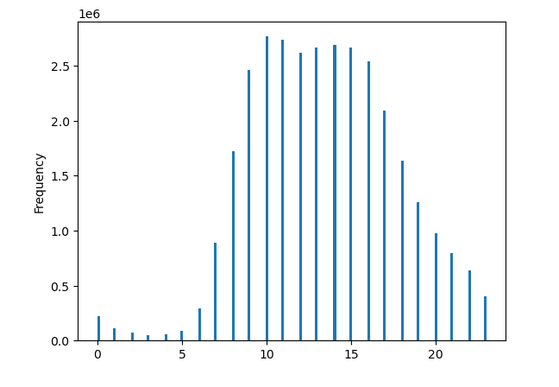

Hour of Day

They also want to know whether there are particular times of day when people spend the most money, as this might inform the type of products they advertise as these times.

Hour of Day Order Placed Histogram

Hour of Day Order Placed Histogram Analysis
The times of day when customers spend the most money are between the hours of 9am to 5pm. The hour 10 am is the time where most customers place orders followed by 11am, 2pm, 3pm, 1pm, 12pm and 4pm.
Hour of Day Order Placed By Price Line Chart Analysis
The times of day customers spend the most money with relevance to price are: 3 pm - $7.85, 6pm- $7.825 and 11pm- $7.82.

Hour of Day Order Placed By Price Line Chart

7. Recommendations
Title page

Recommendations

In this tab you should include any recommendations you would made to Instcart in terms of their marketing strategy based on the questions posed in the brief. Every key question has been covered in the Tasks of the Exercises - here you need to add an item - a visualisation or table/crosstable that is showing the answer in the data, acompanied by a comment from you. Please, list the questions below and add the answer underneath.

Question 1
The sales team needs to know what the busiest days of the week and hours of the day are (i.e the days and times with the most orders) in order to schedule ads at times when they are fewer orders.
Answer 1
The busiest days of the week were Saturday and Sunday represented as 0 and 1. This means that the majority of customers place orders during the weekends which could be interpreted as when customers are not working. The busiest hours of the days where customers place the most orders are from the hours of 9 am to 5 pm. This means customers place orders mainly during the day and not as frquently at night. 10 am is the hour where the most orders are placed. Advertisements can therefore be aired on these days between these times to maximize audience exposure, entiting exsisting and new customers.

Question2
They also want to know whether there are particular times of day when people spend the most money, as this might inform the type of products they advertise as these times.
Answer2
The times of day when customers spend the most money are between the hours of 9am to 5pm. The hour 10 am is the time where most customers place orders followed by 11am, 2pm, 3pm, 1pm, 12pm and 4pm. The times of day customers spend the most money with relevance to price are: 3 pm - $7.85, 6pm- $7.825 and 11pm- $7.82. The advertisments can sometimes be catered more towards more expensive products based on the types of products demanded and the customer base.

Question3
Instacart has a lot of products with different price tags .Marketing and sales want to use simplier price range groupings to help direct their efforts .
Answer3

Question4
Are there certain types of products that are more popular than others? The marketing and sales team want to know which departments have the highest frequency of product orders.
Answer4

Question 5
The marketing and sales teams are particularly interested in the different types of customers in their systems and how their ordering behaviours differ. What's the distribution among users in regards to their brand loyalty (i.e how often do they return to
instacart )?
Answer5

Answer5q
Question 5a
Are there differences in ordering habits based on a customer's loyalty status?

Question5b
Are there differences in ordering habits based on a customer's region?
Answer5b

Question5c
Is there a connection between age and family status in terms of ordering habits?
Answer5c

Question6
What different classifications does the demographic information suggest? Age? Income? Certain types of goods? Family status?
Answer6

Answer7
Question7
What differences can you find in ordering habits of different customer profiles? Consider the price of orders, the frequency of orders, the products customers are ordering , and anything else you can think of.

